Sheet2


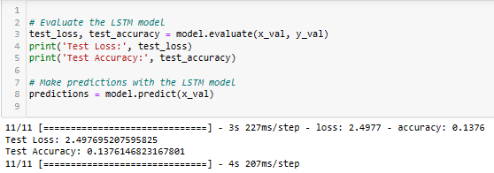
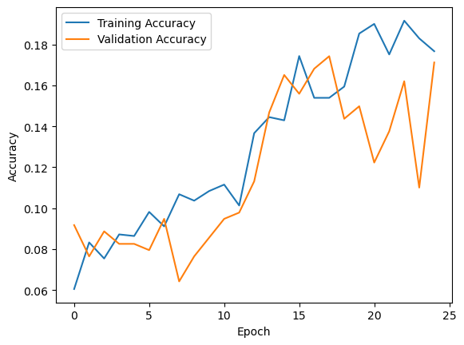
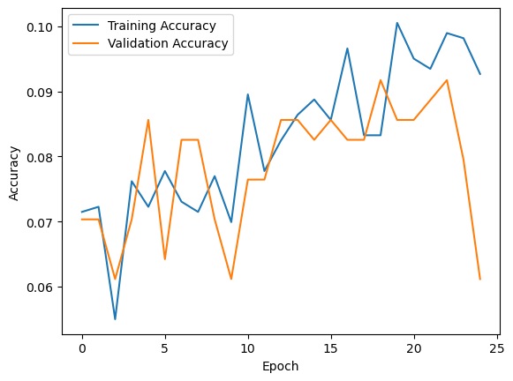
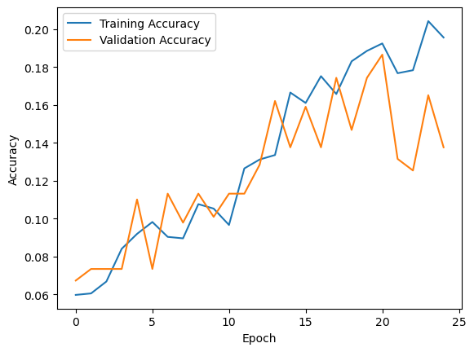
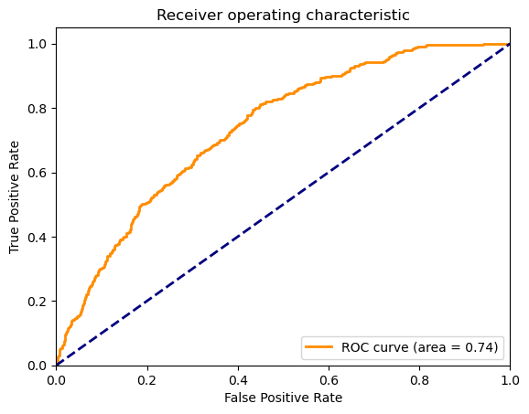
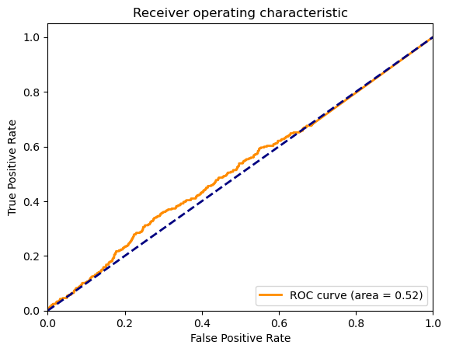
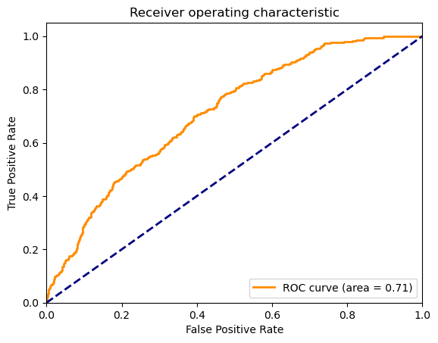
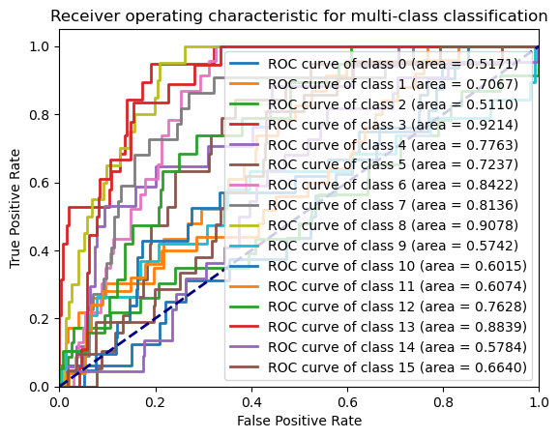
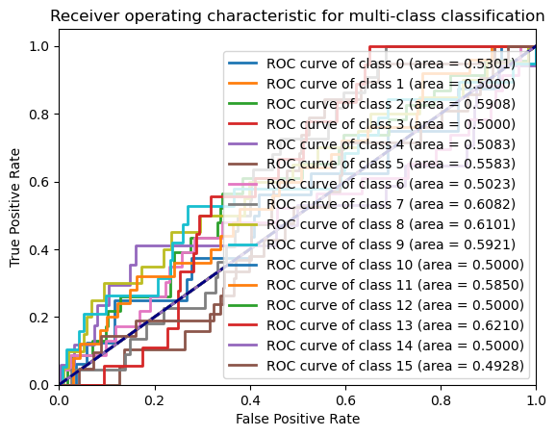
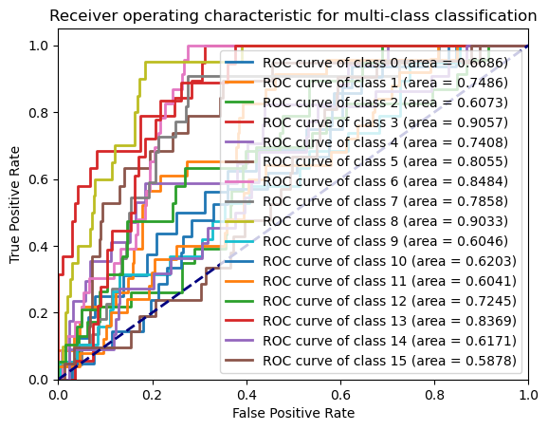
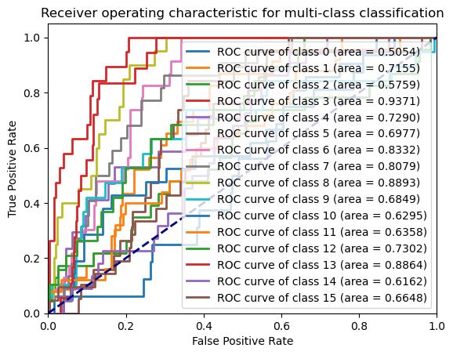
 | LSTM Experimental Analysis Result
 | Epoch | % Accuracy | TPR | TNR | FNR | FPR | Precision | Recall | F1 Score | Splits
 | 25 | 18.69 | 0.176 | 0.054 | 0.945 | 0.823 | 0.1759 | 0.176 | 0.1302 | 65-35 | ROC curve for split 75:35 (Epoch= 35) Accuracy = 19.87%
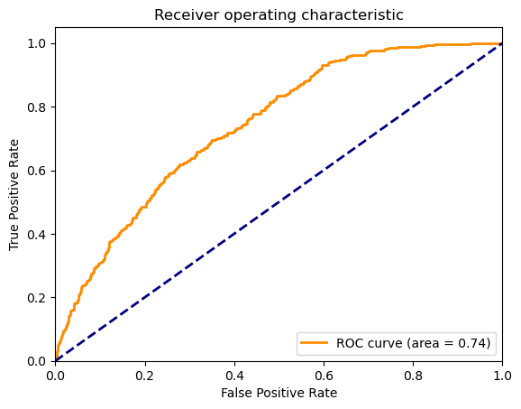
 | 30 | 18.51 | 0.175 | 0.054 | 0.945 | 0.824 | 0.2201 | 0.175 | 0.1295
 | 35 | 18.34 | 0.178 | 0.054 | 0.945 | 0.821 | 0.2422 | 0.178 | 0.1534
 | 40 | 17.1 | 0.167 | 0.055 | 0.944 | 0.832 | 0.1871 | 0.167 | 0.1278
 | 25 | 13.57 | 0.141 | 0.057 | 0.942 | 0.858 | 0.1457 | 0.141 | 0.0988 | 70-30
 | 30 | 14.22 | 0.135 | 0.057 | 0.942 | 0.864 | 0.1133 | 0.135 | 0.0996
 | 35 | 16.44 | 0.168 | 0.055 | 0.944 | 0.831 | 0.1417 | 0.168 | 0.1375
 | 40 | 15.92 | 0.16 | 0.056 | 0.943 | 0.839 | 0.1345 | 0.16 | 0.1177
 | 25 | 17.12 | 0.168 | 0.055 | 0.944 | 0.831 | 0.0742 | 0.168 | 0.0988 | 75-25
 | 30 | 15.59 | 0.152 | 0.056 | 0.943 | 0.847 | 0.096 | 0.152 | 0.1045
 | 35 | 19.87 | 0.187 | 0.053 | 0.946 | 0.812 | 0.1864 | 0.187 | 0.1326
 | 40 | 14.98 | 0.149 | 0.056 | 0.943 | 0.85 | 0.1284 | 0.149 | 0.1041
 | 25 | 12.53 | 0.125 | 0.058 | 0.941 | 0.874 | 0.061 | 0.125 | 0.0701 | 80-20
 | 30 | 10.09 | 0.088 | 0.06 | 0.939 | 0.911 | 0.0364 | 0.088 | 0.0405
 | 35 | 17.43 | 0.167 | 0.055 | 0.944 | 0.832 | 0.1929 | 0.167 | 0.1448
 | 40 | 18.04 | 0.175 | 0.054 | 0.945 | 0.824 | 0.1734 | 0.175 | 0.1447
 | 25 | 14.05 | 0.14 | 0.057 | 0.942 | 0.859 | 0.0953 | 0.14 | 0.0722 | 85-15
 | 30 | 15.26 | 0.147 | 0.056 | 0.943 | 0.852 | 0.0744 | 0.147 | 0.0949
 | 35 | 17.26 | 0.167 | 0.055 | 0.944 | 0.832 | 0.1862 | 0.167 | 0.1383
 | 40 | 17.67 | 0.173 | 0.054 | 0.945 | 0.826 | 0.1415 | 0.173 | 0.1143
 | 25 | 15.97 | 0.154 | 0.056 | 0.943 | 0.845 | 0.1035 | 0.154 | 0.1024 | 90-10
 | 30 | 16.56 | 0.153 | 0.056 | 0.943 | 0.846 | 0.0943 | 0.153 | 0.1043
 | 35 | 14.79 | 0.146 | 0.056 | 0.943 | 0.853 | 0.1134 | 0.146 | 0.1095
 | 40 | 14.79 | 0.147 | 0.056 | 0.943 | 0.852 | 0.0689 | 0.147 | 0.0845

for split 75:25
Activation function | Accuracy | AOC
sigmoid | 17.12 | 0.74
RELU | 6.11 | 0.52
softmax | 13.76 | 0.71 | Why we use sigmoid as an activation function for LSTM

 | for sigmoid |  |  |  |  |  |  |  | for RELU |  |  | for Softmax

